Bugs
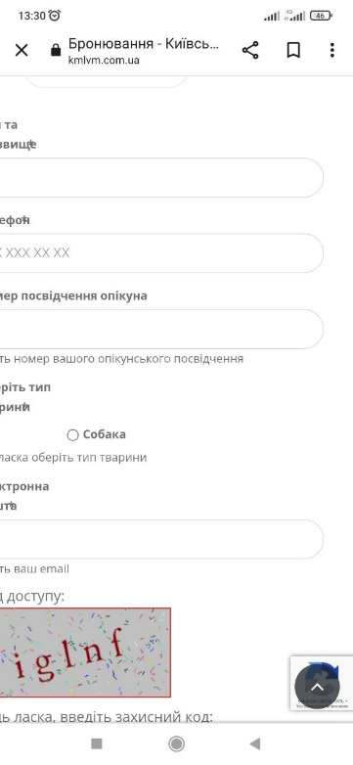
BUG REPORT: ID 12351
Summary | The "Online registration" is not fully displayed when the user has opened the "Online registration" page.
Assignet to: State: | Yuliia Huzieieva New
Precondition: | Device - Xiaomi Redmi Note 8 Pro, браузер варто додати
Steps to Reproduce (STR)
1. Open the "Main" page.
2. Click the "Menu" hamburger icon on the "Main" page.
3. Click the "Online registration" link on the sidebar.
Expected Result
The "Online registration" form is fully displayed when the user has opened the "Online registration" page.
Actual Result
The "Online registration" form is not displayed correctly. The text and form fields are not fully displayed when the user has opened the "Online registration" page. |  | +
Severity: Major | Priority: 2

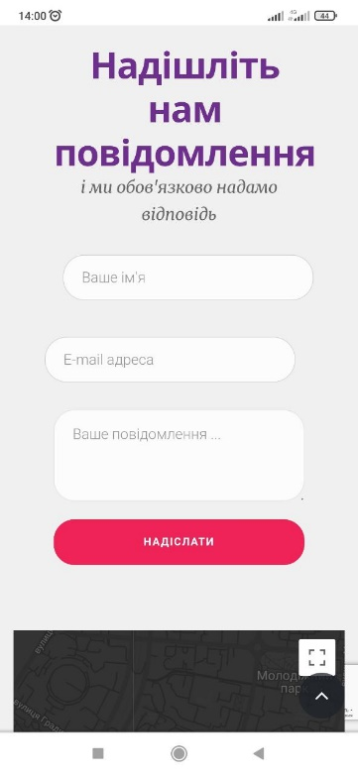
BUG REPORT: ID 12352
Summary | The "Email address" field in the "Send us a message" form is not centered and not displayed according to the specified requirements for the "Contacts" page.
Assignet to: State: | Yuliia Huzieieva New
Precondition: | Device - Xiaomi Redmi Note 8 Pro
Steps to Reproduce (STR)
1. Open the "Main" page.
2. Click the "Menu" hamburger icon on the "Main" page.
3. Click the "Contacts" link on the sidebar.
Expected Result
The "Email address" field in the "Send us a message" form is centered according to the specified requirements.
Actual Result
The "Email address" field in the "Send us a message" form is not centered and not displayed according to the specified requirements for the "Contacts" page. |  | +, але там і "Ваше повідомлення" не відцентровано також, можна було писати що всі поля не вирівняні
Severity: Minor | Priority: 3

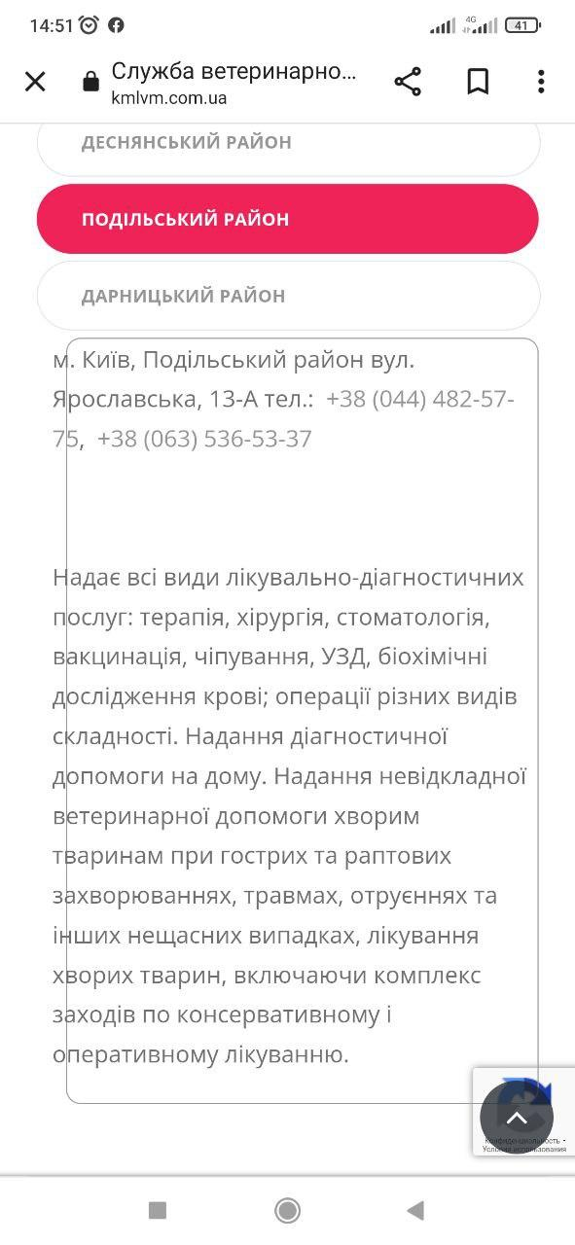
BUG REPORT: ID 12353
Summary | The text is placed outside the text box when the user clicks the "Podilskyi District" button on the "Veterinary Care Service" page.
Assignet to: State: | Yuliia Huzieieva New
Precondition: | Device - Xiaomi Redmi Note 8 Pro
Steps to Reproduce (STR)
1. Open the "Main" page.
2. Click the "Menu" hamburger icon on the "Main" page.
3. Click the "Veterinary Care Service" link on the sidebar.
4. Click the "Podilskyi District" button on the "Veterinary Care Service" page.
Expected Result
The following text "Kyiv city, Podilsky district, Yaroslavska street, 13-A, phone: +38 (044) 482-57-75, +38 (063) 536-53-37 Provides all types of medical and diagnostic services: therapy, surgery, dentistry, vaccination, chipping, ultrasound, biochemical blood tests; operations of various types of complexity. Providing diagnostic assistance at home. Provision of emergency veterinary care to sick animals in case of acute and sudden diseases, injuries, poisoning, and other accidents, treatment of sick animals, including a complex of conservative and operative treatment measures." is placed inside the text box on the "Veterinary Care Service" page.
Actual Result
The text field is not displayed properly. The beginning of the sentences of the following text "City Kyiv, Podilskyi district, 13-A Yaroslavska Street, phone: +38 (044) 482-57-75, +38 (063) 536-53-37 Provides all types of medical and diagnostic services: therapy, surgery, stomatology, vaccination, chipping, ultrasound, biochemical blood analysis; operations of varying degrees of complexity. Providing diagnostic assistance at home. Provision of emergency veterinary care to sick animals in case of acute and sudden diseases, injuries, poisonings, and other accidents, treatment of sick animals, including a complex of conservative and operative medical measures." is placsed outside the text box when the user clicks the "Podilskyi District" button on the "Veterinary Care Service" page.
Severity: Minor | Priority: 3 | + , але можна було весь текст не прописувати, за те практика в перекладі,якщо не через перекладач

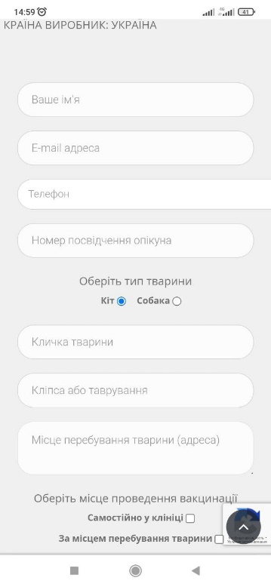
BUG REPORT: ID 12354
Summary | The "Phone number" field on the "Re-vaccination" page is not displayed according to the specified requirements.
Assignet to: State: | Yuliia Huzieieva New
Precondition: | Device - Xiaomi Redmi Note 8 Pro
Steps to Reproduce (STR)
1. Open the "Main" page.
2. Click the "Menu" hamburger icon on the "Main" page.
3. Click the "Re-vaccination" link on the sidebar.
Expected Result
The "Phone number" field on the "Re-vaccination" page is centered according to the specified requirements.
Actual Result
The "Phone number" field on the "Re-vaccination" page is not displayed according to the specified requirements.
Severity: Major | Priority: 2
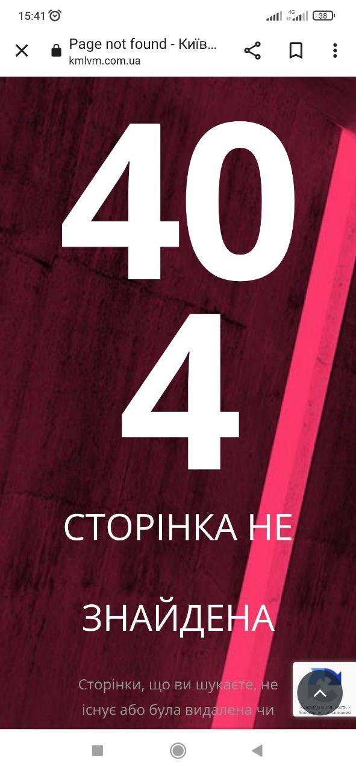
BUG REPORT: ID 12355
Summary | "Error 404" has been displayed in case the user click on the "Veterinary service doctors" link in the "Veterinary care service" page.
Assignet to: State: | Yuliia Huzieieva New
Precondition: | Device - Xiaomi Redmi Note 8 Pro
Steps to Reproduce (STR)
1. Open the "Main" page.
2. Click the "Veterinary care service" box on the "Main" page.
3. Click the "Next" button in the "Veterinary care service" box on the "Main" page.
3. Click the "Veterinary service doctors" link on the "Veterinary care service" page.
Expected Result
The "Veterinary service doctors" page has been loaded.
Actual Result
"Error 404" has been displayed in case the user click on the "Veterinary service doctors" link in the "Veterinary care service" page. |  | +
Severity: Blocker | Priority: 2

В цілому видно великий прогрес в оформленні баг ріпортів, молодець, дуже хороші ріпорти

